Custom Payments
Project Name/ Item Tested Name | TF New Arch v/s TF11
Functional Specification Document
Test Designed By | Raji Ganesh
Test Designed Date
Test Executed By
Test Execution Date
Pre-Conditions
Post-Conditions

Test case ID | Test Scenario | Test Data | S.No | Steps | Expected Result | Actual Result | Status/Test Result (Pass/Fail) | Defect# | Comments | Regression Testisng Result (Pass/ Fail) | Comments
 | Navigate to theTF 11 url |  | 1 | Launch http://ssdev01:12090/sws/r/login.html?user=nouser | returns the screen | As expected | PASS
 |  |  |  |  | populates | As expected | PASS
 |  |  |  | Enter User ID asTF | populates | As expected | PASS
 |  |  |  | Enter Password as BSI | populates | As expected | PASS
 |  |  |  | Clcik enter | Launches the MAC | As expected | PASS
 | Launch MAC at ssqa01:6060 |  | 2 | Launch | returns the screen | As expected | PASS
 |  |  |  |  | populates | As expected | PASS
 |  |  |  | Enter User ID asTF | populates | As expected | PASS
 |  |  |  | Enter Password as BSI | populates | As expected | PASS
 |  |  |  | Clcik enter | Launches the MAC | As expected | PASS

Custom Payments | From TF 11 , for a given DS , from Jump To Navigate to Custom Payments |  | 3 | Validate the screen lauched | The columns in the grid are -Custom Payment Code -Custom Payment Name -Payment TypeTaxability -EE Max -Agg.Status | As expected | PASS
 | Create meta Data for Custom Payments |  | 4 | From the TF MAC, Navigate to Test Harness > Test Meta Data | Returns the MAC with headers -RO Grid, -RO-Type 1-Grid -RO-Type 2-Grid (Parent) -RO-Type 2-Grid (Child) | As expected | PASS
 |  |  | 5 | Select Type 1 Grid upload screen, page , field and mock data | Files uploaded and json filed authenticated | As expected | PASS
 |  |  | 6 | Click on Test Meta data | returns a grid with the following columns -Custom Payment Code -Custom Payment Name -Payment TypeTaxability -EE Max -Agg.Status | As expected | PASS
 |  |  | 5 | Validate if Columns in TF New Arch match the columns in TF 11 | grid Columns in TF New Arch and columns in TF 11 are identical | As expected | PASS
 |  |  | 6 | In TF 11 validate the link at the top of the grid | the link at the top of the grid reads Click here to add new Custom Payment. Or click on existing Custom Payment to ed | As expected | PASS
 |  |  | 7 | Validate the Grid in TF New Arch | There is a + at the right hand corner with ehover verbiage click here to add a New Custom Payment | As expected | PASS
 |  |  | 8 | In TF 11Valdaite for check boxes, Search and Related |  | As expected | PASS
 |  |  | 9 | In TF 11new Arch, Valdaite for check boxes, Search and Related |  | As expected | PASS
 |  |  |  |  |  |  | PASS
 |  |  |  |  |  |  | PASS
 |  |  |  |  |  |  | PASS
 |  |  |  |  |  |  | PASS
 |  |  |  |  |  |  | PASS
 |  |  |  |  | 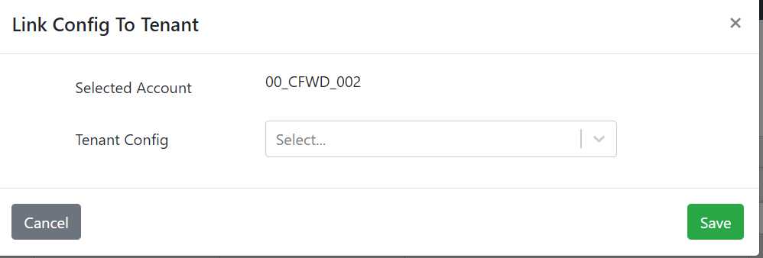 |  | PASS
 |  |  |  |  |  |  | PASS

